Sheet3
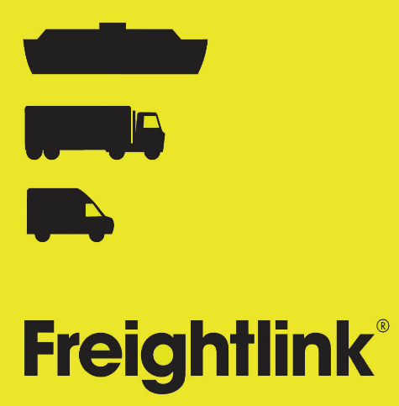
 |  |  | ADDITIONAL CUSTOMS INFORMATION FORM : EU TO GB
 |  |  | Important note before you start
 |  |  | A single booking with operator Cobelfret consists of one transport unit.
 |  |  | A single booking with operator Cobelfret can have only one Customs Status of goods.
 |  |  | A booking can contain several consignments but each having the same Customs Status.
 |  |  | Booking system of this operator does not handle consignments spread over multiple transport units.

 |  |  | Package type codes
 |  |  | https://www.gov.uk/government/publications/uk-trade-tariff-kind-of-packages-codes/uk-trade-tariff-kind-of-packages-codes

 |  |  | Commodity codes list
 |  |  | https://www.trade-tariff.service.gov.uk/sections

1 | Please complete the following general information:

 | Vehicle length | Vehicle width | Vehicle reg | Unit/Trailer no | Number of drivers | Reservation no | Hazardous | Cargo status
 |  |  |  |  |  |  | Please select | Please select

2 | Please select correct UK Border Process
 | Please select

3 | Please provide details of your consignment (please add more if necessary)

 | Consignment number 1

 | Detail custom document
 | Document type |  | Document number |  | Expiry date | Office of destination | Type of goods
 | Please select |  |  |  |  |  | Please select

 | Detail consignment items (non hazardous) |  |  |  |  |  |  |  | (hazardous)
A | Nr of Colli | Package code | Item description |  | Shipping marks | Commodity code | Nett weight | Gross weight | UN number | Primary class | Technical name (Imdg)
 |  | Please select

B | Nr of Colli | Package code | Item description |  | Shipping marks | Commodity code | Nett weight | Gross weight | UN number | Primary class | Technical name (Imdg)
 |  | Please select

C | Nr of Colli | Package code | Item description |  | Shipping marks | Commodity code | Nett weight | Gross weight | UN number | Primary class | Technical name (Imdg)
 |  | Please select

 | Consignment number 2

 | Detail custom document
 | Document type |  | Document number |  | Expiry date | Office of destination | Type of goods
 | Please select |  |  |  |  |  | Please select

 | Detail consignment items (non hazardous) |  |  |  |  |  |  |  | (hazardous)
A | Nr of Colli | Package code | Item description |  | Shipping marks | Commodity code | Nett weight | Gross weight | UN number | Primary class | Technical name (Imdg)
 |  | Please select

B | Nr of Colli | Package code | Item description |  | Shipping marks | Commodity code | Nett weight | Gross weight | UN number | Primary class | Technical name (Imdg)
 |  | Please select

C | Nr of Colli | Package code | Item description |  | Shipping marks | Commodity code | Nett weight | Gross weight | UN number | Primary class | Technical name (Imdg)
 |  | Please select

 | Consignment number 3

 | Detail custom document
 | Document type |  | Document number |  | Expiry date | Office of destination | Type of goods
 | Please select |  |  |  |  |  | Please select

 | Detail consignment items (non hazardous) |  |  |  |  |  |  |  | (hazardous)
A | Nr of Colli | Package code | Item description |  | Shipping marks | Commodity code | Nett weight | Gross weight | UN number | Primary class | Technical name (Imdg)
 |  | Please select

B | Nr of Colli | Package code | Item description |  | Shipping marks | Commodity code | Nett weight | Gross weight | UN number | Primary class | Technical name (Imdg)
 |  | Please select

C | Nr of Colli | Package code | Item description |  | Shipping marks | Commodity code | Nett weight | Gross weight | UN number | Primary class | Technical name (Imdg)
 |  | Please select

