Sheet1
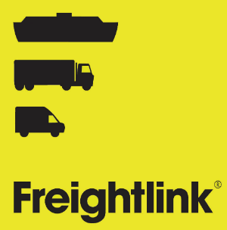
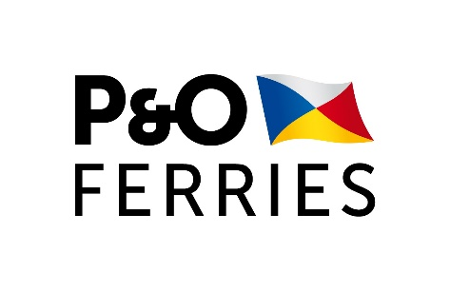

1 | Please complete the following general information:

 | Vehicle length | Vehicle width | Vehicle reg: | Unit/Trailer no: | Drivers number | Reservation no: | Hazardous | Cargo status
 |  |  |  |  |  |  | Please select | Please select

 |  |  |  |  |  |  |  |  | Package type codes
2 | Please complete the following for each consignment represented by the load transported in the vehicle |  |  |  |  |  |  |  | https://www.gov.uk/government/publications/uk-trade-tariff-kind-of-packages-codes/uk-trade-tariff-kind-of-packages-codes
 | please add more consignments if necessary
 |  |  |  |  |  |  |  |  | Commodity codes list
 |  |  |  |  |  |  |  |  | https://www.trade-tariff.service.gov.uk/sections
 | Consignment 1
 | Pre-lodgement / GMR Details

 | please provide mandatory GMR :

 |  | Unit Id:

 | Booking
 | Is this booking for an Empty with |  | Please select | if yes, please select the correct answer in the next question
 | no commercial value ?

 | Type of Empty : |  | Please select

 | Customs Status : |  | Please choose customs status |  | Transit - through transit : Goods travelling under a CTC arrangement, where the Office of Destination (Box 53) is NOT a GB port of arrival. Through Transit. Note if the Transit is discharged in the EU, then the goods are no longer travelling under a CTC arrangement when they move to the UK, and this status should not be selected

 |  |  |  |  | Transit - customs declaration required : Goods travelling under a CTC arrangement, where the Transit will be discharged at the port of arrival. Note if the Transit is discharged in the EU, then the goods are no longer travelling under a CTC arrangement when they move to the UK, and this status should not be selected

 |  |  |  |  | Carnet - i.e. ATA or TIR carnet
 |  |  |  |  | Declaration required : Goods which require a Customs Import Declaration, and are not travelling under a CTC arrangement. TX status goods.

 |  |  |  |  | Status not known : Customs status is unknown. Will require a Customs Import Declaration

 | EU Export Document Type : |  | Please choose document type

 | EU Export MRN / |  | MRN / Document Number
 |  | Document Number

 | Destination Customs Office Code :

 | Transit Document Reference : |  |  |  | mandatory for Transit - through transit & Transit - customs declaration required

 | Number of packages :

 | Goods description :

 | Gross mass kg :

 | Consignment 2
 | Pre-lodgement / GMR Details

 | please provide mandatory GMR :

 |  | Unit Id:

 | Booking
 | Is this booking for an Empty with |  | Please select | if yes, please select the correct answer in the next question
 | no commercial value ?

 | Type of Empty : |  | Please select

 | Customs Status : |  | Please choose customs status |  | Transit - through transit : Goods travelling under a CTC arrangement, where the Office of Destination (Box 53) is NOT a GB port of arrival. Through Transit. Note if the Transit is discharged in the EU, then the goods are no longer travelling under a CTC arrangement when they move to the UK, and this status should not be selected

 |  |  |  |  | Transit - customs declaration required : Goods travelling under a CTC arrangement, where the Transit will be discharged at the port of arrival. Note if the Transit is discharged in the EU, then the goods are no longer travelling under a CTC arrangement when they move to the UK, and this status should not be selected

 |  |  |  |  | Carnet - i.e. ATA or TIR carnet
 |  |  |  |  | Declaration required : Goods which require a Customs Import Declaration, and are not travelling under a CTC arrangement. TX status goods.

 |  |  |  |  | Status not known : Customs status is unknown. Will require a Customs Import Declaration

 | EU Export Document Type : |  | Please choose document type

 | EU Export MRN / |  | MRN / Document Number
 |  | Document Number

 | Destination Customs Office Code :

 | Transit Document Reference : |  |  |  | mandatory for Transit - through transit & Transit - customs declaration required

 | Number of packages :

 | Goods description :

 | Gross mass kg :

 | Consignment 3
 | Pre-lodgement / GMR Details

 | please provide mandatory GMR :

 |  | Unit Id:

 | Booking
 | Is this booking for an Empty with |  | Please select | if yes, please select the correct answer in the next question
 | no commercial value ?

 | Type of Empty : |  | Please select

 | Customs Status : |  | Please choose customs status |  | Transit - through transit : Goods travelling under a CTC arrangement, where the Office of Destination (Box 53) is NOT a GB port of arrival. Through Transit. Note if the Transit is discharged in the EU, then the goods are no longer travelling under a CTC arrangement when they move to the UK, and this status should not be selected

 |  |  |  |  | Transit - customs declaration required : Goods travelling under a CTC arrangement, where the Transit will be discharged at the port of arrival. Note if the Transit is discharged in the EU, then the goods are no longer travelling under a CTC arrangement when they move to the UK, and this status should not be selected

 |  |  |  |  | Carnet - i.e. ATA or TIR carnet
 |  |  |  |  | Declaration required : Goods which require a Customs Import Declaration, and are not travelling under a CTC arrangement. TX status goods.

 |  |  |  |  | Status not known : Customs status is unknown. Will require a Customs Import Declaration

 | EU Export Document Type : |  | Please choose document type

 | EU Export MRN / |  | MRN / Document Number
 |  | Document Number

 | Destination Customs Office Code :

 | Transit Document Reference : |  |  |  | mandatory for Transit - through transit & Transit - customs declaration required

 | Number of packages :

 | Goods description :

 | Gross mass kg :

